Sheet1
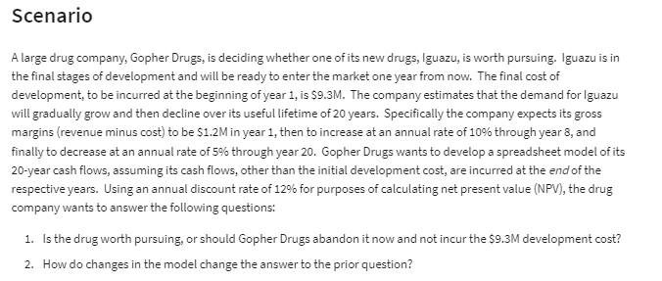
Gopher Drugs
 |  |  | Cash Flows
Development Costs: | 9.3 | (millions) | End of Year | Gross Margin ($M)
Lifetime: | 20 | (years) | 1 | $1.2
Year 1 Margin: | 1.2 | (millions) | 2 | $1.32 | =IF(F11<$C$12,G10+G10*$C$13,G10-G10*$C$14)
Increase Through Year: | 8 |  | 3 | $1.45
Rate of Increase: | 10% |  | 4 | $1.60
Rate of Decrease: | 5% |  | 5 | $1.76
Annual Discount Rate: | 12% |  | 6 | $1.93
 |  |  | 7 | $2.13
(Net) Present Value | $11.85 | (millions) | 8 | $2.02
Development Cost | $9.30 | (millions) | 9 | $1.92 | =IF(F18<$C$12,G17+G17*$C$13,G17-G17*$C$14)
Actual Net Present Value: | $2.55 | (millions) | 10 | $1.82
 |  |  | 11 | $1.73
 |  |  | 12 | $1.64
 |  |  | 13 | $1.56
 |  |  | 14 | $1.48
 |  |  | 15 | $1.41
 |  |  | 16 | $1.34
 |  |  | 17 | $1.27
 |  |  | 18 | $1.21
 |  |  | 19 | $1.15
 |  |  | 20 | $1.09

